Notes
$$Availability=\frac{Equipment Uptime}{Operations Uptime}$$
$$MTBF=\frac{\sum{Equipment Uptime}}{\# Failures},\#Failures=\left\{\begin{aligned}1, x=0 \\ &x, x>0\end{aligned}\right.$$
$$MTTR=\frac{\sum{Equipment Downtime}}{\# Failures},\#Failures=\left\{\begin{aligned}1, x=0 \\ &x, x>0\end{aligned}\right.$$
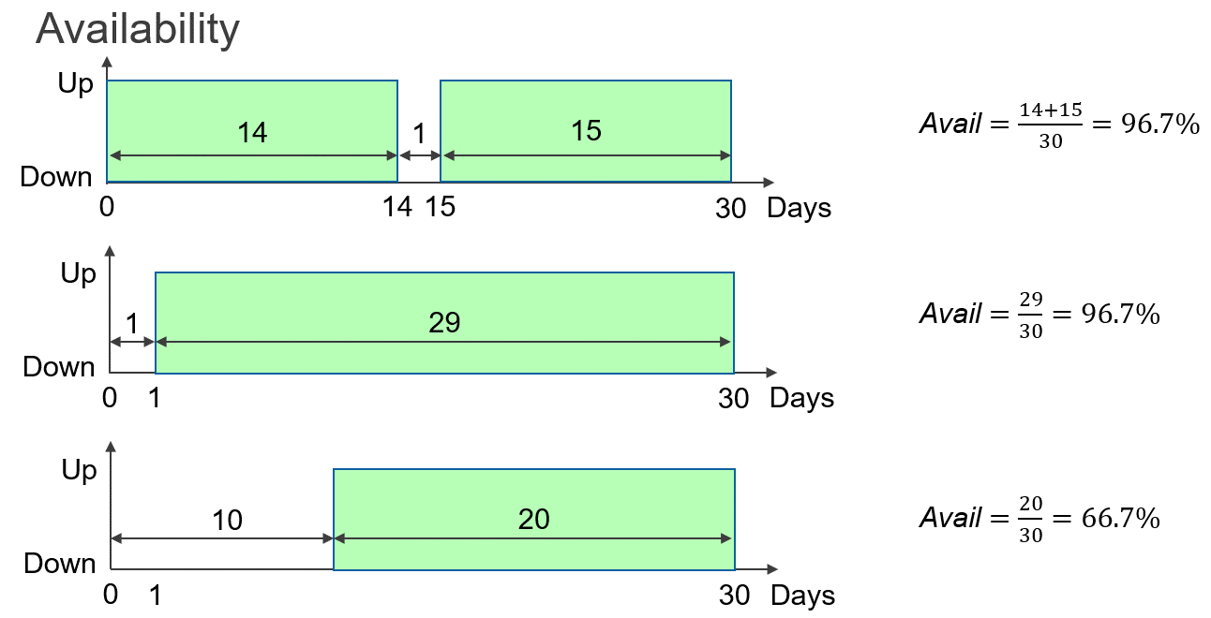
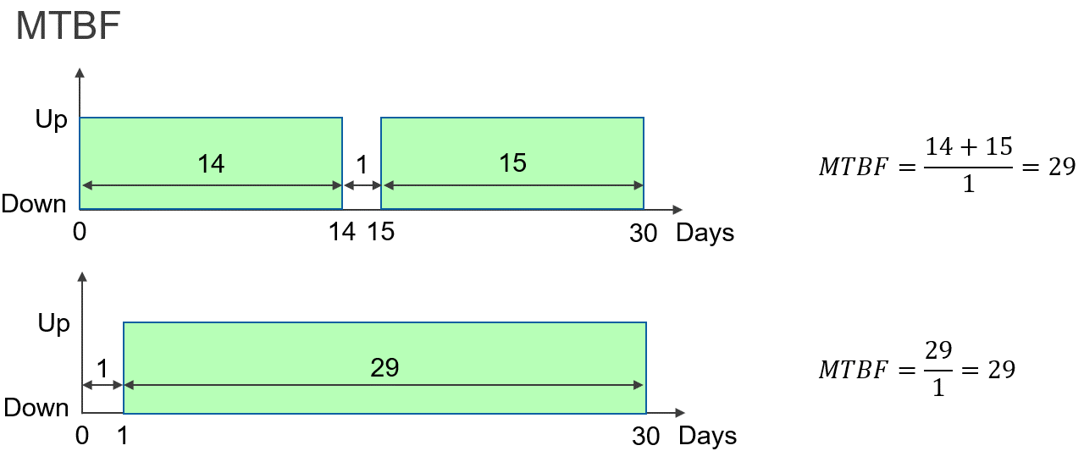
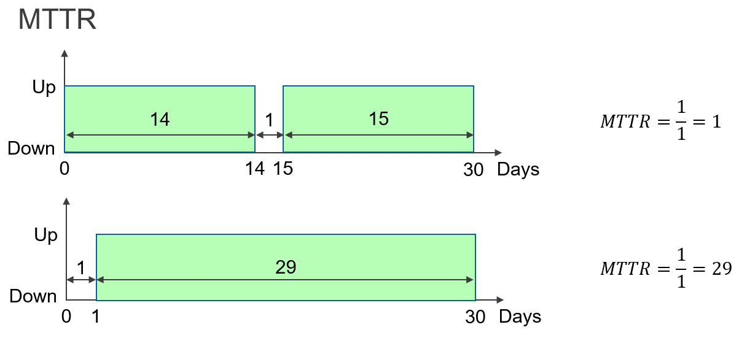

1 | Equipment uptime =Total days in a specified duration-Total downtime in a specified duration
 | Total days in a specified duration=Calendar days
 | Total downtime in a specified duration =Total days open from MI
2 | # Failures=Count fo failures in a specified duration
 | #Failures=Count of MI
3 | Equipment downtime=Total downtime in a specified duration
 | Total downtime in a specified duration=Total days open from MI

 | * MTBF/MTTR must be calculated for each station type/PN
 | *Total days in a specified duration must me multiped by number of station of each PN
 | * Count of MI is for each station type/PN
 | *Total downtime is total for each station type/PN
 | *Need to know grouping of station type/PN to be able to count MTBF/MTTR

